Indices

 | Iraq Stock Exchange
 | Bulletin No (225)

 | ISX Trading Indices of Tuesday 16/12/2025

 | Traded Volume and OTC |  | 1,114,499,891 |  | Traded Value and OTC |  | 1,034,857,920 |  | Traders | 986

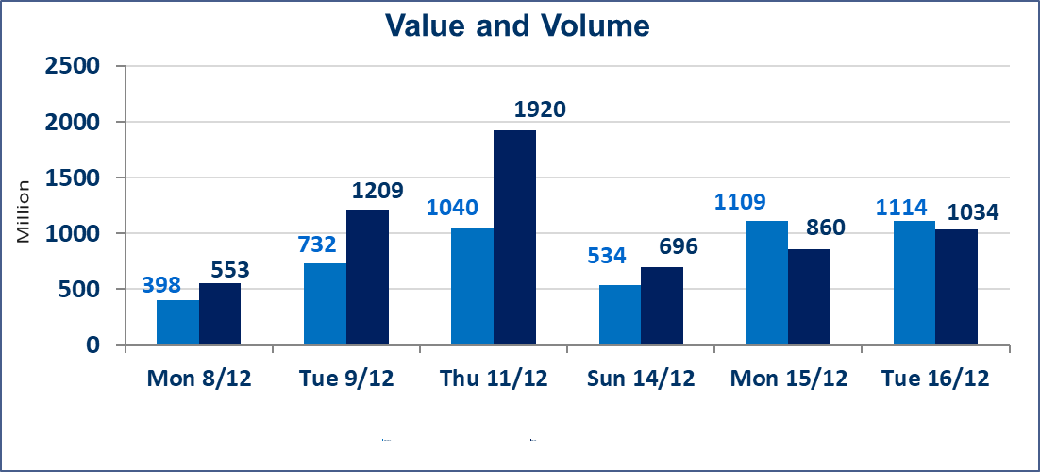
 | ISX Index 60 |  |  | 974.94 | ISX Index 15 |  |  | 1179.20
 | Previous ISX Index60 |  |  | 964.31 | Previous ISX Index15 |  |  | 1170.93
 | Change % |  |  | 1.10 | Change % |  |  | 0.71
 | Change |  |  | 10.63 | Change |  |  | 8.27

 | Listed Companies | 104 | OTC | 15 | Non Traded listed | 36 | OTC | 12
 | Traded Listed Companies | 52 | OTC | 1 | Higher Companies |  |  | 19
 | GAM Companies |  |  | 6 | Lower Companies |  |  | 14
 | Suspended Companies |  |  | 10
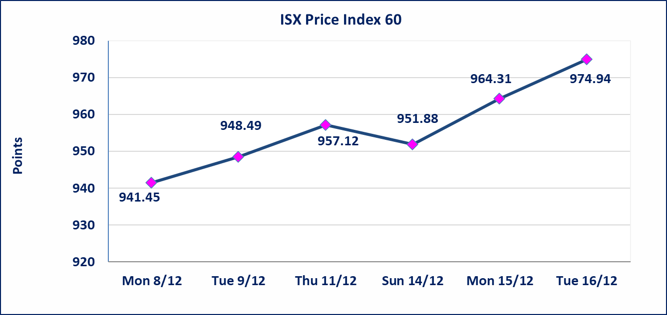
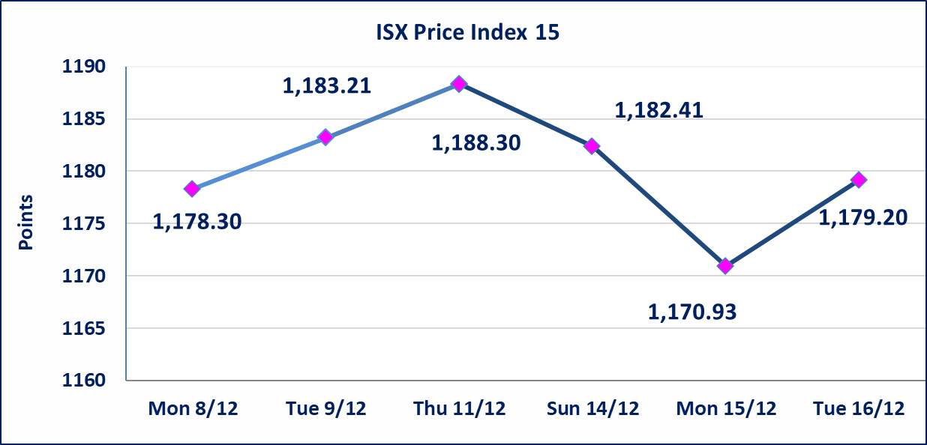

Al-Alwiya P.O . 3607 Mobile: 07711211522 - 07270094594 - 07834000034 E-mail: info-isx@isx-iq.net Web site:www.isx-iq.net

Top 5
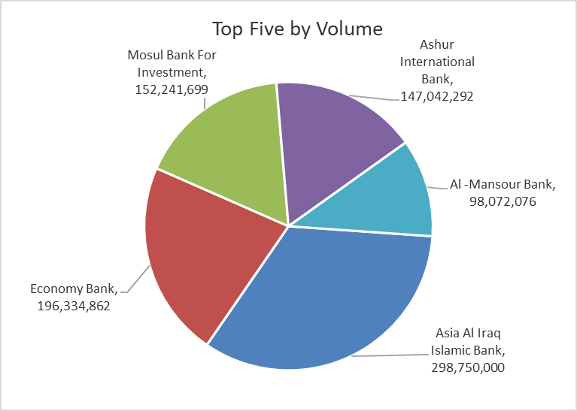
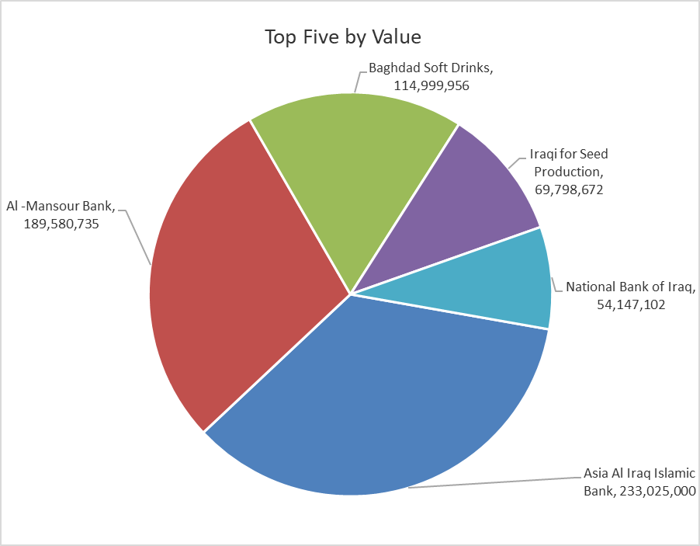
ISX top ganing and losing companies
Tuesday 16/12/2025
Gainers |  |  |  | Losers
Company Name | Closing Price | Change (%) | Traded Volume | Company Name | Closing Price | Change (%) | Traded Volume
International Islamic Bank | 0.240 | 20.00 | 20,833 | AL-Nukhba for Construction | 0.750 | -14.77 | 1,852,000
Ashur International Bank | 0.320 | 14.29 | 147,042,292 | Al-Qabidh Islamic Bank | 0.090 | -10.00 | 2,000,000
Al-Ameen for Insurance | 0.950 | 11.76 | 835 | Metallic Industries and Bicycles | 1.860 | -7.00 | 12,350
Mansour Hotel | 55.000 | 9.45 | 321,155 | Ashour Hotel | 34.000 | -4.23 | 9,686
Economy Bank | 0.260 | 8.33 | 196,334,862 | Al-Ameen Estate Investment | 2.210 | -3.91 | 278,476

The most active companies in term of traded volume and value

Traded Volume |  |  |  | Traded Value
Company Name | Closing Price | Change (%) | Traded Volume | Company Name | Closing Price | Change (%) | Traded Value
Asia Al Iraq Islamic Bank | 0.780 | 0.00 | 298,750,000 | Asia Al Iraq Islamic Bank | 0.780 | 0.00 | 233,025,000
Economy Bank | 0.260 | 8.33 | 196,334,862 | Al -Mansour Bank | 1.940 | 0.52 | 189,580,735
Mosul Bank For Investment | 0.180 | 0.00 | 152,241,699 | Baghdad Soft Drinks | 5.450 | 3.02 | 114,999,956
Ashur International Bank | 0.320 | 14.29 | 147,042,292 | Iraqi for Seed Production | 4.890 | 4.94 | 69,798,672
Al -Mansour Bank | 1.940 | 0.52 | 98,072,076 | National Bank of Iraq | 4.530 | 0.67 | 54,147,102

OTC

Iraq Stock Exchange

Tuesday 16/12/2025
OTC Platform Trading Bulletin No (225)
Company Name | Code | highest price | lowest price | Average price | No.of Trades | Traded Volume | Traded Value
Banks Sector
Al-Warka Bank | BWAI | 0.070 | 0.070 | 0.070 | 1 | 1,000,000 | 70,000
Total Of Banks Sector |  |  |  |  | 1 | 1,000,000 | 70,000
Total |  |  |  |  | 1 | 1,000,000 | 70,000

Not Trading OTC Companies
Company Name |  |  | Code |  | Previous Average price
Banks Sector
Al-Sanam Islamic Bank |  |  | BSAN |  | 3.000
Hammurabi Commercial Bank |  |  | BHAM |  | ـــــــــــــــــــــــــــــــــــ
Industrial Sector
Kirkuk producing constructional materials |  |  | IKFP |  | 1.260
Money Service Sector
Rabee Securities |  |  | FRSE |  | 9.500
Karmal Brokerage |  |  | FKSX |  | 10.000
Ishtar Gate for e-Paymant |  |  | FISH |  | 1.000
Sama Baghdad Exchange |  |  | FSBE |  | ـــــــــــــــــــــــــــــــــــ
Iraqi Deposit Insurance Corporation |  |  | FIDI |  | ـــــــــــــــــــــــــــــــــــ
Insurance Sector
Kurdistan Insurance |  |  | NKUI |  | ـــــــــــــــــــــــــــــــــــ
Al Badia Insurance |  |  | NBAD |  | ـــــــــــــــــــــــــــــــــــ
Shatt Al Arab Insurance |  |  | NSHA |  | 1.000
Dilina Insurance Company |  |  | NDIL |  | ـــــــــــــــــــــــــــــــــــ

Non Iraqis

Iraq Stock Exchange
Non Iraqis' Bulletin Tuesday Dec 16 2025
Regular Market

Non Iraqi Trading of Regular Market (Buy)
Company Names | Code | No.of trades | Traded Shares | Trading Volume
Banks Sector
Gulf Commercial Bank | BGUC | 2 | 28,750,000 | 8,050,000
Al-Mansour Bank | BMNS | 9 | 60,000,000 | 116,050,000
Total Bank sector |  | 11 | 88,750,000 | 124,100,000
Grand Total |  | 11 | 88,750,000 | 124,100,000

Non Iraqi Trading of Regular Market (Sell)
Company Names | Code | No.of trades | Traded Shares | Trading Volume
Banks Sector
Al-Mansour Bank | BMNS | 6 | 5,000,000 | 9,650,000
Total Bank sector |  | 6 | 5,000,000 | 9,650,000
Services Sector
AL-Nukhba for Construction | SNUC | 20 | 1,852,000 | 1,389,000
Total Services sector |  | 20 | 1,852,000 | 1,389,000
Grand Total |  | 26 | 6,852,000 | 11,039,000

